Sheet1
 |  | Age |  |  |  |  |  |  | Median Q2 |  |  |  |  |  | Exploratory Data Analysis
 |  | 16 |  |  |  | Lowest ------…...........................................................................................> Highest
 |  | 18
 |  | 18 |  |  |  |  |  | 25th Percentile |  |  | 75th Percentile |  |  |  |  |  |  |  |  | 23
 |  | 18 |  |  |  |  |  |  |  |  |  |  |  |  |  |  |  |  |  | 19
 |  | 19 |  |  |  |  |  |  |  |  |  |  |  |  |  |  |  |  |  | 17
 |  | 20
 |  | 20
 |  | 21
 |  | 25
 |  | 25
 |  | 28
 |  | 29 |  |  |  |  |  |  |  |  |  |  |  |  |  |  | CTCs of Data Scientists having approx 5 years of exp
 |  | 30 |  |  |  |  |  |  |  |  |  | 37 |  |  |  |  | build your understanding about above
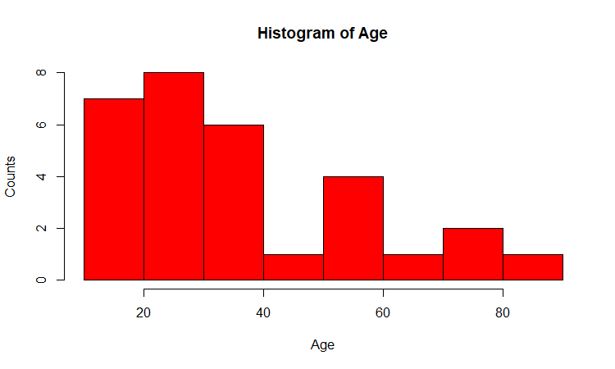
 |  | 30 |  |  |  |  |  |  |  |  |  | 37.77 |  |  |  |  | INDIA
 |  | 30 |  |  |  |  |  |  |  |  |  |  |  |  |  |  | 1 lac | data points |  | 18 l/a
 |  | 32 |  |  |  |  |  |  |  |  |  | 31 |  | Placement Details
 |  | 35
 |  | 36 |  |  |  |  |  |  |  |  |  |  |  | Convocation ….Director
 |  | 38 |  |  |  |  |  |  |  |  |  |  | 60 |  |  |  | 12 lacs/annum
 |  | 40 |  |  |  |  |  |  |  |  |  |  |  |  |  |  | 7
 |  | 40 |  |  |  |  |  |  |  |  |  |  |  |  |  |  | 3.5
 |  | 45 |  |  |  |  |  |  |  |  |  |  |  |  |  | 15 | not placed = 0
 |  | 56
 | Values
1 | 21
2 | 22
3 | 25
4 | 27
5 | 45
 |  | 56
 |  | 58 |  |  |  |  |  |  |  |  |  | Data Pts | Values
 |  | 59 |  |  |  |  |  |  |  |  |  | 1 | 21
 |  | 65 |  |  |  |  |  |  |  |  |  | 2 | 22
 |  | 72 |  |  |  |  |  |  |  |  |  | 3 | 25
 |  | 73 |  |  |  |  |  |  |  |  |  | 4 | 27 |  |  |  |  |  | 12
 |  | 81 |  |  |  |  |  |  |  |  |  | 5 | 45 |  | extreemly large |  |  | 21 | 21
 |  |  |  |  |  |  |  |  |  |  |  |  |  |  |  |  |  | 22 | 22
 |  |  |  |  |  |  |  |  |  |  |  |  |  |  |  |  |  | 25 | 25
 |  |  |  |  |  |  |  |  |  |  |  |  | North Korea |  | US/SK |  |  | 27 | 27
 |  |  |  |  |  |  |  |  |  |  |  |  | Israel |  | Palest |  |  |  | 45
 |  |  |  |  |  |  |  |  |  |  |  |  | Pakis |  | India |  |  | 23.75 | 25.333333333
 |  |  |  |  |  |  |  |  |  |  |  |  | China |  | the whole world
 |  |  |  |  |  |  |  |  |  |  |  |  | Japan ----------------> |  | SD
 |  |  |  |  |  |  |  |  |  |  |  |  | Strength
 |  |  |  |  |  |  |  |  |  |  |  |  | QUALITY ---------> |  | consistency --------> DEVIATION
 |  |  |  |  |  |  |  |  |  |  |  |  |  |  |  |  | DP | KK

 |  |  |  |  |  |  |  |  |  |  | 1 | Mother law of moving bodies ----> |  |  |  | N Law of Motion
 |  |  |  |  |  | 10 am …..7 am…........EXAM ….Taking |  |  |  |  | 2 | Electrical Engg ---------------------? |  |  |  | V= C*R
 |  |  |  |  |  | 50 qsns….15 mnts % |  |  |  |  | 3 | Inorganic Chem, --------------------? |  |  |  | Mandlf pt
 |  |  |  |  |  |  |  |  |  |  | 4 | PL….BS --------------------> |  |  |  | Acctng Eq
 |  |  |  |  |  |  | point est
 |  |  |  |  |  | nkl | 90
 |  |  |  |  |  | laks | 100
 |  |  |  |  |  | drj | 75
 |  |  |  |  |  | yuv | 100 |  |  |  |  |  |  |  |  | Range
 |  |  |  |  |  | mah | 95 |  |  |  |  |  |  |  | smita | 85-90
 |  |  |  |  |  | gaur | 100
 |  |  |  |  |  |  | 90 |  |  | 8am---phone…..pick….JF…..BLR airport…..3-4 Hrs---------
 |  |  |  |  |  | sivpr | 75
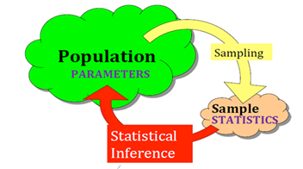
 |  |  |  |  |  | what is the pop mean age? [And how much confident your while posting your answer/estimate?]
 |  |  |  |  |  |  | Cond Level
 |  |  |  |  |  | 20-40 | 95 | critical calue
 |  |  |  |  |  | 34-40 |  |  |  |  | 2 pdf 11, 4 |  | 3.43 | = sd/SQRT(n) = 18.8/SQRT(30)
 |  |  |  |  |  | 37.77 |  |  |  |  | = 37.77 +,- ( ) * se(mean)
 |  |  |  |  |  | 35-40 |  |  |  |  |  | 1.96 | Critical value of Z (Normal Distributio) correspond to 95% CL
 |  |  |  |  |  | 37.5 |  |  |  | UL | 45
 |  |  |  |  |  | 34.77-40.77 |  |  |  | LL | 31
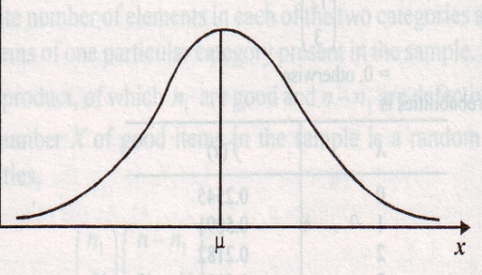
 |  |  |  |  |  |  |  |  |  |  |  | You need to FORGET Z critical value |  |  |  | 2-5 %
 |  |  |  |  |  |  |  |  |  |  |  | t critical

 |  |  |  |  |  |  |  |  |  | one gentleman….europe….mgr….beer manufacturing …....in love with ?....STATISTICS…...
 |  |  |  |  |  |  |  |  |  | study…..publish papers …..his boss was liking…..
 |  |  |  |  |  |  |  |  |  | pseudo name…...student …...t distribution (1) slightly flatten peak/bump (2) slightly thicker tails

2.5%
 |  |  |  |  |  |  |  |  |  |  | Normal Dist ===== Sample/data is small…<30
 |  |  |  |  |  |  |  |  |  |  | t-dist
 |  |  |  |  |  |  |  |  |  | alpha [1-CL (Fraction; 100-CL (percent)) = 5%, 0.05; degrees of freedom (n-1) = 30-1 = 29
2.5%
 |  |  |  | 0.025
 |  |  |  |  |  |  |  |  |  |  | t crit | 2.045 @ 5% alpha and df = 29
 |  |  |  |  |  |  |  |  |  |  | excel formula
 |  |  |  |  |  |  |  |  | 0.025
 |  |  |  |  |  |  |  |  |  |  | 2.0452296421 | =TINV(0.05,29)
 |  |  |  |  |  | 95%
 |  |  |  |  | n | z crit | t crit
 |  |  |  |  | 30 | 1.96 | 2.0452296421
 |  |  |  |  | 50 | 1.96 | 2.0095752371
 |  |  |  |  | 100 | 1.96 | 1.9842169516
 |  |  |  |  | 500 | 1.96 | 1.964729391
 |  |  |  |  | 1000 | 1.96 | 1.9623414611
 |  |  |  |  | 2000 | 1.96 | 1.9611514202
 |  |  |  |  | 10000 | 1.96 | 1.9602012636

 |  |  |  |  | all the softwares r, python, sas
 |  |  |  |  | spss, minitab…..t crit

 |  |  |  |  |  |  |  | name | Gender | income | age | Have u stopped drinking?
 |  |  |  |  |  |  | 1 | gaurav | m | 50 | 30
 |  |  |  |  |  |  | 2 | abhij | m | 70 | 30
 |  |  |  |  |  |  | 3 | sharmila | f | 75
 |  |  |  |  |  |  |  | lakshmi | f | 80
 |  |  |  |  |  |  | 100 | soumya | f | 100

 |  |  |  |  |  |  |  | SUM

 |  |  |  | out lier

 |  |  |  |  | 21
 |  |  |  |  | 23
 |  |  |  |  | 24
 |  |  |  |  | 20
 |  |  |  |  | 25
 |  |  |  |  | 29
 |  |  |  |  |  | 30

 |  |  |  |  |  |  |  |  |  |  |  | gpa increases------final also increases

 |  |  |  |  |  |  |  |  |  |  | 0.5
 |  |  |  |  | -1 |  |  |  | 0 |  |  |  | 1
 |  |  |  |  |  |  |  |  |  |  | 0.6 |  |  |  | no of gifts /wk --- wife
 |  |  |  |  |  |  |  |  |  |  |  |  |  |  |  |  | happy index
 |  |  |  |  |  | abhi | neelam | sharmila | ragu | Laksh | soumya | dheeraj | gaurav
 |  |  |  |  | IQ | 0.60 | 0.73 | 0.73 | 0.73 | 0.80 | 0.83 | 0.97 | 1.00 |  | nos of times visiting pub/week ----wife
 |  |  |  |  | 30
 |  |  |  |  |  |  |  |  |  |  |  |  |  |  |  |  | happy index
 |  |  |  |  | 0 |  |  |  |  |  |  |  | 1
 |  |  |  |  |  |  |  |  |  |  |  |  |  |  | more pampering of kids ----> discipline kids
 |  |  |  | 150
 |  |  | Laksh | 120 | 0.80 |  | abhi | 0.60 |  |  |  |  |  |  | stk mkt return ----- gold prices
 |  |  | soumya | 125 | 0.83 |  | neelam | 0.73
 |  | neelam |  | 110 | 0.73 |  | sharmila | 0.73 |  |  |  |  | Good
 |  |  | abhi | 90 | 0.60 |  | ragu | 0.73 |  |  |  |  | existing | 0.2
 |  |  | sharmila | 110 | 0.73 |  | Laksh | 0.80
 |  |  | dheeraj | 145 | 0.97 |  | soumya | 0.83 |  |  |  |  |  | DM ---> Visulization --> Hypo Testing --> Cluster Analysis --> Text Mining
 |  |  | gaurav | 150 | 1.00 |  | dheeraj | 0.97 |  |  |  |  |  | Guidelines website ----
 |  |  | ragu | 110 | 0.73 |  | gaurav | 1.00

 |  |  |  |  |  | sales | Region 1= North, 2= East, 3=West, 4 = South |  |  |  |  |  |  |  | 20 |  |  | prod ----price, q, q,
 |  |  |  |  | co1 | 200 | 1 |  |  |  |  |  | north + west |  |  |  |  | delo ---> vendors ---200
 |  |  |  |  | co2 | 221 | 3 |  |  |  |  |  | south + east |  | Productivity |  | 2 | td, pr, qc, ri
 |  |  |  |  |  | 234 | 2 |  |  |  |  |  |  |  | Honesty |  | 3
 |  |  |  |  |  | 300 | 1 |  |  |  |  |  |  |  | Ethics
 |  |  |  |  |  | 375 | 4 |  |  | less than 500; more than 500
 |  |  |  |  |  | 400 | 2 |  |  |  |  |  |  |  | p1 | temp
 |  |  |  |  |  | 125 | 3 |  |  | same task |  |  |  |  | p2
 |  |  |  |  |  | 534 | 4 |  |  | 1000 | 30 |  |  |  | p3
 |  |  |  |  |  |  |  |  |  |  |  | 40 % of the data
 |  |  |  |  | co_1000 | 1800 | 2 |  |  |  |  |  |  |  | p1000
 |  |  |  |  | IT cos
 |  |  |  |  |  | IQ |  |  |  |  |  |  |  |  |  |  | 0-10 (LOW 10 HIGH)
C
 |  |  |  |  |  |  |  |  |  |  |  | (9-8) |  |  |  |  | B | IQ | SB | Hum
 |  |  |  |  |  |  |  |  |  |  | (9-8) |  |  |  |  | Madhuri | 8 | 8 | 7 | 0
 |  |  |  |  |  |  |  |  |  |  |  |  |  |  |  | Allia | 7 | 2 | 9 | 8
 |  |  |  |  |  |  |  |  |  |  |  |  |  |  |  | Deepika | 9 | 9 | 8 | 5
 |  |  |  |  |  |  |  |  |  |  |  |  |  |  |  | MM | 0
 |  |  |  |  |  |  |  |  |  |  |  |  |  |  |  | MA | 10.246950766
 |  |  |  |  |  |  |  |  |  |  |  |  |  |  |  | MD | 5.2915026221
 |  |  |  |  |  |  |  |  |  |  |  |  |  |  |  | AD

 |  |  |  |  |  |  |  |  |  |  |  |  |  |  | H = Dist = SQRT(Hd^2 + Vd^2) |  |  | Euclidean Distance
 |  |  |  |  |  |  |  |  |  |  |  |  |  |  | 1.4142135624
100 | 25 |  |  |  | 75 |  |  |  |  |  |  | B
 | Dim 2 |  |  |  | Dim1
 |  | FINANCIAL |  |  | Finc
 | AGE | INCOME | SAVINGS | EXPNS
 | 21 | 6 | 2 | 4 | 12 |  |  |  | 1 | Basics of R |  | 5 min + 5, 10 times
 | 32 | 8 | 3 | 5 | 16 |  |  |  | 2 | Data Manipulation
 |  |  |  |  |  |  |  |  | 3 | missing value
 |  |  |  |  |  |  |  |  | 4 | Crt nor t Data Visulaization |  |  |  |  |  |  | Do a mini project
 |  |  |  |  |  |  |  |  |  | +
 |  |  |  |  |  |  |  |  |  | cluster analysis |  |  |  |  |  |  | website
 | XX | XX | XXXX | XXX | xxx |  |  |  |  | word clouds + sensitivity score --- TEXT DATA
 | Principal Component Analysis
 |  |  |  |  | man
 |  |  |  |  | accident |  |  |  |  | 1 | ppt in advance --- coding ----if any difficulty---post in group----> DISCUSS IN CLASS THE CODES AND CONCEPTS
 |  | 1 | Srinath |  | leg broken |  |  |  |  | 2 | ppt in session…...slide by slide ----you do coding----resolve and discuss
 |  | 2 | add 3 |  | steel rod |  | 100% |  |  |  | 80% coding issues 20% DS Concepts
 |  |  | mean 3 |  | 3 month ----ok |  | Engg
 |  |  | median 3 |  | all tasks
 |  |  | log of mean
 |  |  | log of median |  |  |  |  |  |  |  |  |  | K Means Clustering
 |  |  | very large |  |  |  |  |  |  |  |  | 1 | two points in the space are selected arbitrarily
 |  |  |  |  |  |  |  |  |  |  |  | 2 | all data points will be allocated either to orange or green star
 | c1 | c2 | c3 |  |  |  |  |  |  |  |  | 3 | shift the stars to centers of clusters
 |  |  |  |  |  |  |  |  |  |  |  | 4 | reallocation of data points
 |  |  |  |  |  |  |  |  |  |  |  | 5 | re calculation of centers of clusters
 |  |  |  |  |  |  |  |  |  |  |  |  | repeat 2 to 5 till NO REALLOCATION HAPPENS
 |  |  |  |  |  |  |  |  |  |  |  |  | Lock that position
 |  |  |  |  |  |  |  |  |  |  |  |  | SSE | SUM OF SQUARED ERRORS
 |  |  |  |  |  |  |  |  |  |  |  |  | Orange , SUM OF SQAURES OF DISTS |  |  |  | multiply 4/6
 |  |  |  |  |  |  |  |  |  |  |  |  | Green, ------do------------------------- |  |  |  | multiply by 2/6
 |  |  |  |  |  |  |  |  |  |  |  |  | WCSS = WITHIN COLUMN SUM SQUARED |  |  |  |  |  | 1
 |  |  |  |  |  |  |  |  |  |  |  |  |  |  |  |  |  |  | 4
 |  |  |  |  |  |  |  |  |  |  |  |  | 1 | 100 |  |  |  |  | 2
 |  |  |  |  |  |  |  |  |  |  |  |  | 2 | 110 |  |  |  |  | 3
 |  |  |  |  |  |  |  |  |  |  |  |  | 3 | 80 | MINIMUM |  |  |  | 50

 |  |  |  |  |  |  |  |  |  |  |  |  | 25 | 128
 |  |  |  |  |  |  |  |  |  |  |  |  | no of clusters | wcss
 |  |  |  |  |  |  |  |  |  |  |  |  | 1 | 200
 |  |  |  |  |  |  |  | silhouette score |  |  |  |  | 2 | 120 | 80
 |  |  |  |  |  |  |  |  |  |  |  |  | 3 | 80 | 40
 |  |  |  |  |  |  |  |  |  |  |  |  | 4 | 75 | 5
 |  |  |  |  |  |  |  |  |  |  |  |  | 5 | 72 | 3
 |  |  |  |  |  |  |  |  | Profiling of the cluster

 |  |  |  |  |  |  |  | clstr 1 | v1 | v2 | v3 | v4
 |  |  |  |  |  |  |  | 1
 |  | 8.5 |  |  |  |  |  | 3
 |  | 8 |  |  |  |  |  | 6
 |  | 7.5 |  |  |  |  |  | 5
 |  | 6 |  |  |  |  |  | AVERAGE | 21 | 10 | 2 | 8
 |  |  |  |  |  |  |  | clstr 2
 |  |  |  |  |  |  |  | 2 |  |  |  |  | Young, low income, low savings, low expns
 |  |  |  |  |  |  |  | 4
 |  |  |  |  |  |  |  | AVERAGE | 17 | 8 | 1 | 7

 |  |  |  | 3 | 5 | 8
 |  |  |  |  | 5.33
 | cs2m
 | Age
 |  | Age
 |  | 20
 |  | 16
 |  | 18
 |  | 25
 |  | 36
 |  | 56
 |  | 59
 |  | 45 |  |  |  |  |  | 37.77 | mean age in sample
 |  | 40 |  |  |  |  |  |  | mean age in population ??
 |  | 20 |  |  |  |  |  |  |  |  | 34, 41, 37.77,
 |  | 18 |  | understand population
 |  | 25 |  | Hyd = 80lacs |  |  |  |  |  | step 1 | assumption, belief, trust, guess, estimate ….. |  |  |  | Ho, Null Hypo
 |  | 30 |  |  |  |  |  |  |  |  | Ha
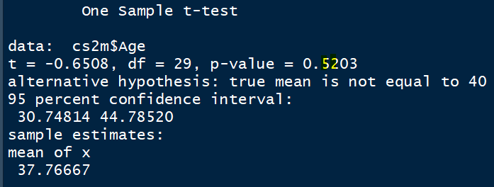
 |  | 28 |  | moving bodies car ship bus ----> |  |  | Newtons law of motion |  |  |  | Ho….....the sense, intention , meaning = 0, NO
 |  | 21 |  | transformers motors -----------> |  |  | Ohm's law, V =C*R |  |  | Ho: mu = 40 |  | Ha: mu is NOT EQUAL to 40
 |  | 19 |  | inorganic chem ------------------> |  |  | mandeleaf's periodic table |  |  |  | IQ, B, SB |  | Ho: lxm S; ab: NS; vsl; NS; NS, NS,
 |  | 18 |  | bl p&l acct ------------------------> |  |  | a = l + e |  |  |  | DP | MD | Ho: DP & MD, Diffe ?
 |  | 30 |  | statistical conf |  |  | normal distr |  |  | 1 |  |  | UNBIASED & IMPARTIAL
 |  | 29 |  |  |  |  |  |  |  | 2 |  | step 2 | LOS, CL(1-LOS) | 5 %, 95 CL
 |  | 30 |  |  |  |  |  |  |  | 3 |  | 0.05 | alpha, Type I error
 |  | 35 |  |  |  |  |  |  |  | 1-7, 1 = low, 7 = high
 |  | 38
 |  | 32 |  |  |  |  |  |  |  | step 3 | test statistics
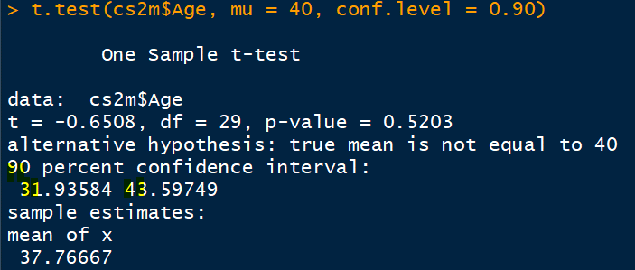
 |  | 40 |  |  |  |  |  |  |  |  | -0.65
 |  | 65 |  |  |  |  |  |  |  |  | UB | =mean+ se(mean)*t_crit |  | 37.77+3.43*2.05 |  | 45
 |  | 72 |  |  |  |  |  |  |  |  | LB | =mean- se(mean)*t_crit |  | 37.77-3.43*2.05 |  | 31
 |  | 56
 |  | 58 |  |  |  |  |  |  |  | step 4 | t crit …..........df = n-1 = 29, |  |  | 2.0452296421
Ho: mu =40, -0.65
 |  | 81
 |  | 73 |  |  |  |  |  |  |  | step 5 | Decision Making
31, -2.045
45, +2.045
 |  |  |  |  |  |  |  |  |  |  | Three Methods
 |  |  |  |  | 1.9830375265

 |  |  |  |  |  |  |  |  |  |  |  |  |  |  |  |  | Ho: 76 |  | LOS increasing -----> inverse
 |  |  |  |  |  |  |  |  |  |  |  |  |  | LB | 75 |  |  |  | CL increasing ---> range of UB LB
 |  |  |  |  |  |  |  |  |  |  |  |  |  | UB | 85 |  |  |  | 80 CL | 75-85 | 10
 |  |  |  |  |  |  |  |  |  |  | p_value | REJECT <= LOS, 5%; ACCEPT > LOS, 5% |  |  |  |  |  |  | 90 CL | 70 - 90 | 20
 |  |  |  |  |  |  |  |  |  |  |  |  |  |  |  |  |  |  | 100 CL | 0-100 | 100
 |  |  |  |  |  |  |  |  |  |  |  |  |  |  |  |  |  |  |  | ZERO

 |  |  |  |  |  |  | IQ, B, SB
 |  |  |  |  |  |  | DP | MD
 |  |  |  |  |  | 1 |  |  |  | Ho: There is NO difference btwn DP & MD
 |  |  |  |  |  | 2
 |  |  |  |  |  | 3 |  |  |  | Are you willing to REJECT…...................or ACCEPT
 |  |  |  |  |  | 1-7, 1 = low, 7 = high |  |  |  | Want, Desire ============ |  |  | REJECT

 |  |  |  |  |  | mathematics |  |  |  |  |  |  | Reject…....

TRUTH
Mean age of Hyd
Adrashya
Invisible
 |  |  |  |  | 2+2 = 4 |  |  |  |  |  |  |  |  | Prob of error….Type I CAP/LIMIT /MAX
 |  |  |  |  |  |  |  |  |  |  |  |  |  | los, alpha ==== 1%, 5%, 2% |  |  | Designed Type I error
 |  |  |  |  |  |  |  |  |  |  |  |  |  | error ----- | Type I
 |  |  |  |  |  |  |  |  |  |  |  |  | Reject | truth = should accept the Ho
 |  |  |  |  |  |  |  |  |  |  |  |  | 5%
 |  |  |  |  |  |  |  |  |  |  |  |  | Prob of commiting Type I error
 |  |  |  |  |  |  |  |  |  |  |  |  | Observed Type I error
 |  |  |  |  |  |  |  |  |  |  |  |  | <= 5% |  |  |  |  |  |  | Almighty GOD!
 |  |  |  |  |  |  |  |  |  |  |  |  |  |  | beta
 |  |  |  |  |  |  |  |  |  |  |  |  |  | error | Type II
 |  |  |  |  |  |  |  |  |  |  |  |  | Accept | truth = should be rejected

 |  |  |  |  |  | Paired |  |  |  | Independent sample t test
 |  |  |  |  |  |  | QUIZ1 | QUIZ2 |  | Low | High
 |  |  |  |  |  | st1 |  |  | L1 | 121 | *
 |  |  |  |  |  | st2 |  |  | L2 | * | 145 |  |  |  |  | 1 | subject?
 |  |  |  |  |  | st3 |  |  | L3 | 95 | * |  |  |  |  | 2 | voi?

 |  |  |  |  |  | st105

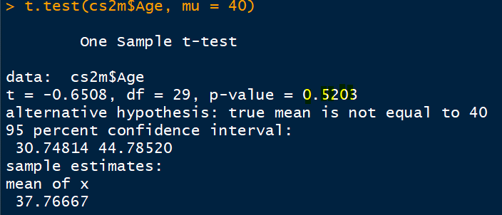
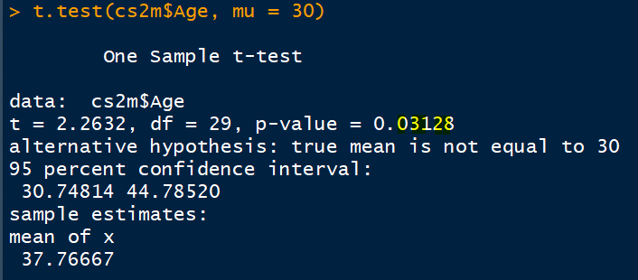
Ho: mu =48

31
45

ACCEPTED

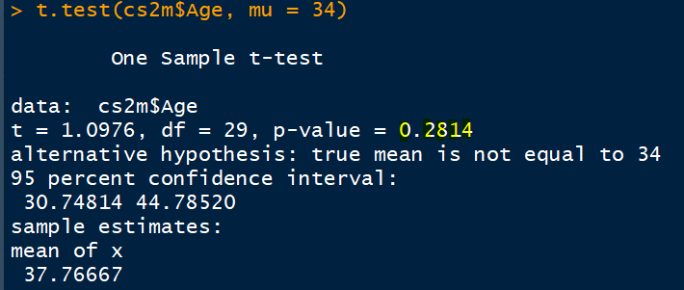
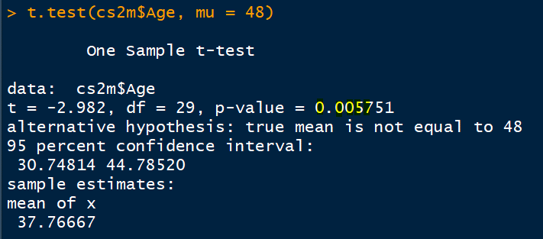
 |  |  |  |  |  |  |  |  | LB | 31
 |  |  |  |  |  |  |  |  | UB | 45
 |  |  |  |  |  | p_value | REJECT <= LOS, 5%; ACCEPT > LOS, 5%

 |  |  |  |  | Ho | p_value | Decision
 |  |  |  |  | 40 | 0.5203 | Accpt Ho
 |  |  |  |  | 34 | 0.2814 | Accpt Ho
 |  |  |  |  | 37 | 0.8248 | Accpt Ho
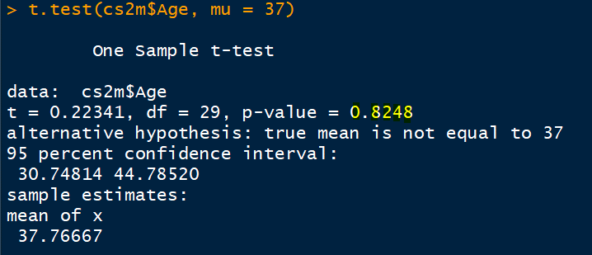
 |  |  |  |  | 30 | 0.03128 | RejectHo
 |  |  |  |  | 48 | 0.005751 | RejectHo

 |  |  |  |  | Ho | p_value % | Decision
 |  |  |  |  | 40 | 52.03 | Accpt Ho
 |  |  |  |  | 34 | 28.14 | Accpt Ho
 |  |  |  |  | 37 | 82.48 | Accpt Ho
 |  |  |  |  | 30 | 3.13 | RejectHo
 |  |  |  |  | 48 | 0.58 | RejectHo

 |  |  |  |  |  | Subject | voi | suppliers |  |  | before | after |  |  |  | befor | after
 |  |  |  |  |  | chk1 | arse | A |  | rest1 | n | n |  | statis | 1
 |  |  |  |  |  | chk2 |  | A |  | rest2 | n | n |  |  | 2
 |  |  |  |  |  | cjhk3 |  | B |  | rest3 | n | n |  |  | 3

 |  |  |  |  |  |  | A | B
 |  |  |  |  |  | chk1 | n
 |  |  |  |  |  | chk2 | n
 |  |  |  |  |  | chk3 |  | n |  |  |  |  |  |  | 30

Ho: mu =0
 |  |  |  |  | PAIRED SAMPLE T TEST |  |  |  |  |  |  |  |  |  |  |  | 2.8,104,2
 |  |  |  |  |  |  |  |  |  |  |  |  |  |  |  | =tdist(abs of test_statistice,df,2)
 |  |  |  |  |  |  |  |  |  |  |  |  |  |  |  | 0.0060932377842

-0.90
-0.16
 |  |  |  |  |  |  |  |  |  |  |  |  |  |  | contn | One sample t test ; Age; mu = 40
 |  |  |  |  |  |  |  |  |  |  |  |  |  |  |  | One sample
 |  |  |  |  |  |  |  |  |  |  |  |  |  |  | 1 | prop of females in IT in India is 48%
 |  |  |  |  |  |  |  |  |  |  |  |  |  |  | 2 | prop of flights arriving on time at BLR airport is 78%
 |  |  |  |  |  |  |  |  |  |  | 0
ACCEPTED
 |  |  |  |  |  |  |  |  |  |  |  |  |  |  | cont | paired & indpndnt t test
 |  |  |  |  |  |  |  |  |  |  |  |  |  |  |  | 2 samples
 |  |  |  |  |  |  |  |  |  |  |  |  |  |  |  | propns of flights arriving on time at BLR & Delhi airport is same

